CI, dep samples
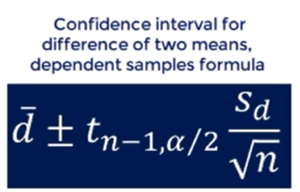
Confience intervals for difference of two means, dependent samples
Magnesium example

Patient | Before | After | Difference
1 | 2.00 | 1.70 | -0.30 | Mean | 0.33
2 | 1.40 | 1.70 | 0.30 | St. deviation | 0.45
3 | 1.30 | 1.80 | 0.50
4 | 1.10 | 1.30 | 0.20 | 95% t-stat | 2.26
5 | 1.80 | 1.70 | -0.10
6 | 1.60 | 1.50 | -0.10 | CI (+) | 0.65
7 | 1.50 | 1.60 | 0.10 | CI (-) | 0.01
8 | 0.70 | 1.70 | 1.00
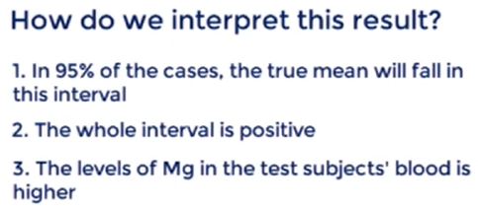
9 | 0.90 | 1.70 | 0.80
10 | 1.50 | 2.40 | 0.90

 |  |  | 95% Confidence interval is (0.01,0.65)

CI indep, var kwn
Confidence interval for the difference of two means. Independent samples, variance known
University example

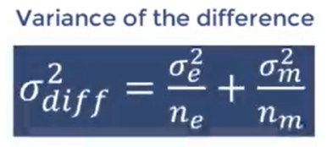

 | Engineering | Management | Difference
Size | 100 | 70
Sample Mean | 58 | 65 | -7
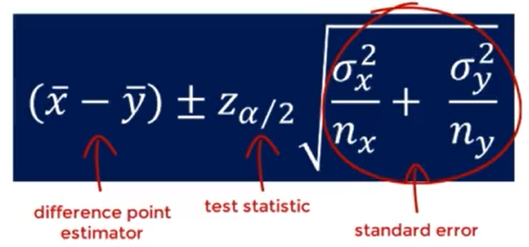
Population Std | 10 | 5 | 1.16

95% z-test | 1.96
CI (+) | -4.73
CI (-) | -9.27

We are 95% confident that the true mean difference between the engineering and management grades falls into the interval (-9.28,-4.72)

CI indep, var unknwn assumed tr
Confidence interval for difference of two means; independent samples, variances unknown but assumed to be true
Apples example

NY apples | LA apples |  | NY | LA | Difference
$3.80 | $3.02 | Mean | $3.94 | $3.25 | $0.70
$3.76 | $3.22 | Std dev | $0.18 | $0.27
$3.87 | $3.24 | Sample size | 10 | 8
$3.99 | $3.02
$4.02 | $3.06
$4.25 | $3.15
$4.13 | $3.81 | Pooled Variance | 0.05
$3.98 | $3.44 | Pooled St dev | 0.22
$3.99
$3.62 |  | 95% t-stat | 2.12

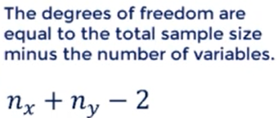

The 95% CI is (0.47,0.92)

> Apple in NY is much more expensive than in LA

